COVER
Trending Schedules
May 6, 2026

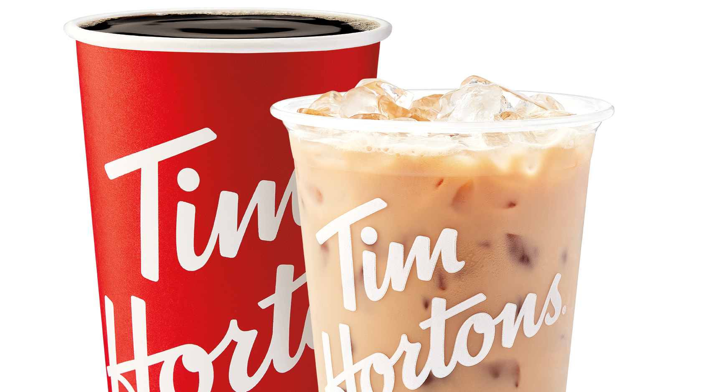

This document should be read in conjunction with RBI's SEC filings and earnings press releases found on www.rbi.com/investors. Included Within:
Consolidated Statement of Operations; Selected Consolidated Results; Revenues and Adjusted Operating Income ("AOI") by Segment and Disaggregation of Intersegment Eliminations; Segment Results for Tim Hortons, Burger King, Popeyes, Firehouse Subs, International and Restaurant Holdings ("RH"); Global SWS and Restaurant Count by Brand and Home Market KPIs by Brand; International KPIs by Brand and RH KPIs by Brand; Reconciliation of Income from Operations to AOI, G&A to Segment G&A, F&P Expenses to Segment F&P Expenses, and Net Income from Continuing Operations to Adjusted EBITDA; Reconciliation of Interest Expense to Adjusted Interest Expense and Net Income from Continuing Operations to Adjusted Net Income and Adjusted Diluted EPS; Net Leverage, Reconciliation of Free Cash Flow and Net Interest Paid; Reconciliation of Organic Revenue, AOI and Adjusted EBITDA Growth; Non-GAAP Definitions

